Vadadustat
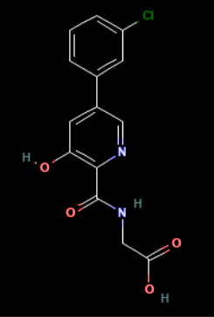
Main
 | Brand | AKB-6548, PG-1016548, B506
 | Generic | Vadadustat
 | Indication | Anemia due to chronic kidney disease (CKD) in adult patients on dialysis
 | Mechanism | oral hypoxia-inducible factor prolyl hydroxylase inhibitor
 | FDA Re-submission | 10/25/2023
 | Already Approved | In the EU countries, Australia, Japan, Taiwan, UK, Iceland, Norway, Liechtenstein, Switzerland
 | Risk associated | (VAT) vascular access thrombosis, (DILI) drug-induced liver injury
 | Economics
 | Physiochemistry | 306.70 g/mol, logP 2,5, HBD 3, HBA 5, RB 4
 | Molecule | 2-[[5-(3-chlorophenyl)-3-hydroxypyridine-2-carbonyl]amino]acetic acid
 | Clinical Trials
 | Study 1 | "Efficacy of Hypoxia-Inducible Factor Prolyl Hydroxylase Inhibitor on Clinical Parameters in Patients with Heart Failure"
 | N | 13
 | Date | 2023 |  |  |  |  | Achieved Primary Endpoint
 | Inclusion Criteria | Stable Herat Failure (HF) |  |  |  |  | Achieved Safety Endpoint
 |  | If HIF-PH were taken only Vadadustat |  |  |  |  | PMID: 38256345
 |  | Patient who had CDK were not on hemodialysis
 |  | Patient who had CDK had a max (eGFR) of <60mL/min/1.73m² were eligible
 |  | No red blodd cell transfusion in the week before and after extraction data
 |  | No previous malignacy or retinopathy condition
 | Sites | Japan
 | Interventions | 300mg vadadustat, orally once daily
 |  | Iron supplement for patients with iron deficiency
 | Primary Endpoint | Change in clinical parameters after 1 month of vadadustat treatment
 | Safety Endpoint | Presence of embolic and thrombotic events |  |  |  | A |  | B | C
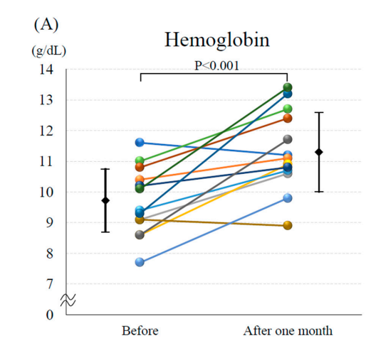
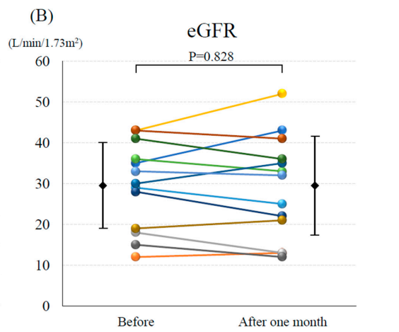
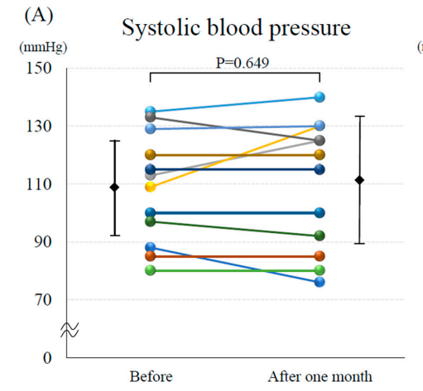

Success | A |  | Hemoglobin (the higher the better)
 |  |  | Day 0 | Week 4 | P value
 |  | 300mg vadadustat | 9.7 | 11.3 | p=0,001

Failed | B |  | eGFR (the higher the better)
 |  |  | Day 0 | Week 4 | P value
 |  | 300mg vadadustat | 29.4 | 29.1 | p=0,828

Failed | C |  | Systolic blood pressure (the better around 120)
 |  |  | Day 0 | Week 4 | P value
 |  | 300mg vadadustat | 109.5 | 110.6 | p=0,649

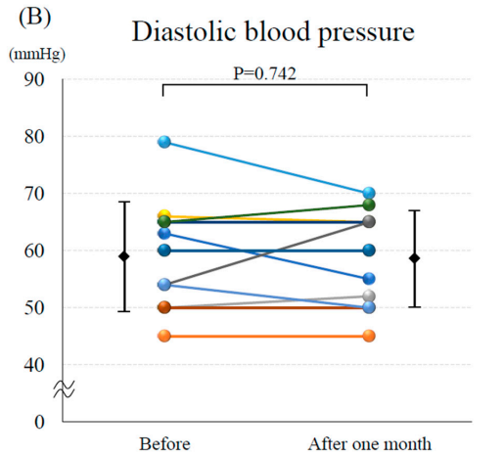
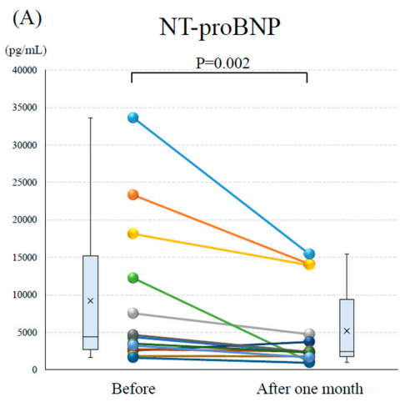
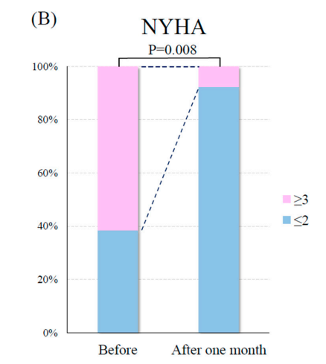
 |  |  |  |  |  | D |  | E | F
Failed | D |  | Diastolic blood pressure (the better around 80)
 |  |  | Day 0 | Week 4 | P value
 |  | 300mg vadadustat | 58.5 | 58.1 | p=0,742

Success | E |  | NT-proBNP (the lower the better)
 |  |  | Day 0 | Week 4 | P value
 |  | 300mg vadadustat | 4358 | 2367 | p=0,002

Success | F |  | NYHA (the lower the better)
 |  |  | Day 0 | Week 4 | P value
 |  | 300mg vadadustat | 61.50% | 7.70% | p=0,008

 | Study 2

